1c
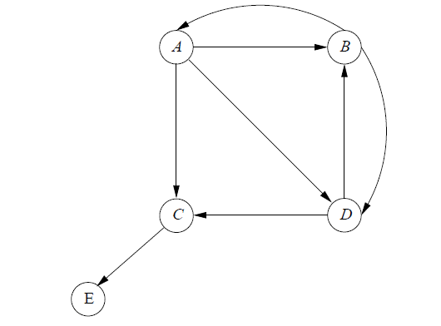
a. Figure 5.4
 | Source | Degree | Destinations
 | A | 3 | B, C, D
 | B | 2 | A, D
 | C | 1 | E
 | D | 2 | B, C

b Figure 5.7
 | Source | Degree | Destinations
 | A | 3 | A, B, C
 | B | 2 | A, B
 | C | 2 | B, C

Why is this source-list of destinations representation more storage efficient than storing the sparse matrix T using a source-destination-value data structure such as ( i,j,m ij ) , where i is the row index, j is the column index and m ij the transisition matrix entry?
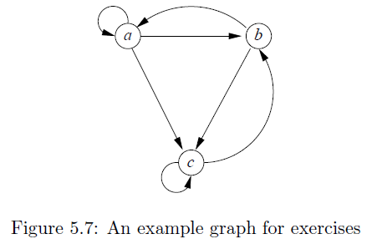
(pg 196) If we use 4-byte integers for coordinates of an element and an 8-byte double-precision number for the value, then we need 16 bytes per nonzero entry. That is, the space needed is linear in the number of nonzero entries, rather than quadratic in the side of the matrix. However, for a transition matrix of theWeb, there is one further compression that we can do. If we list the nonzero entries by column, then we know what each nonzero entry is; it is 1 divided by the out-degree of the page. We can thus represent a column by one integer for the out-degree, and one integer per nonzero entry in that column, giving the row number where that entry is located. Thus, we need slightly more than 4 bytes per nonzero entry to represent a transition matrix.

